Sheet1
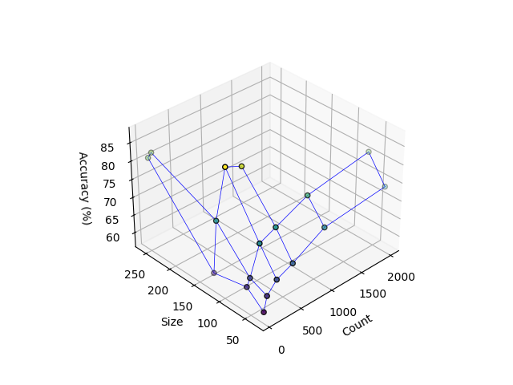
size / count | 50 | 100 | 250 | 500 | 1000 | 2000 | image_size | image_count_per_category | epochs | accuracy
32 | 58% | 62% | 65% | 67% | 72% | 74% | 32 | 50 | 25 | 58%
64 | 62% | 64% | 74% | 78% | 79% | 81% | 32 | 100 | 25 | 62%
128 | 60% | 74% | 77% | 85% |  |  | 32 | 250 | 25 | 65%
256 | 81% | 82% |  |  |  |  | 32 | 500 | 25 | 67%
 |  |  |  |  |  |  | 32 | 1000 | 25 | 72%
 |  |  |  |  |  |  | 32 | 2000 | 25 | 74%

 |  |  |  |  |  |  | image_size | image_count_per_category | epochs | accuracy
 |  |  |  |  |  |  | 64 | 50 | 25 | 62%
 |  |  |  |  |  |  | 64 | 100 | 25 | 64%
 |  |  |  |  |  |  | 64 | 250 | 25 | 74%
 |  |  |  |  |  |  | 64 | 500 | 25 | 78%
 |  |  |  |  |  |  | 64 | 1000 | 25 | 79%
 |  |  |  |  |  |  | 64 | 2000 | 25 | 81%

 |  |  |  |  |  |  | image_size | image_count_per_category | epochs | accuracy
 |  |  |  |  |  |  | 128 | 50 | 25 | 60%
 |  |  |  |  |  |  | 128 | 100 | 25 | 74%
 |  |  |  |  |  |  | 128 | 250 | 25 | 77%
 |  |  |  |  |  |  | 128 | 500 | 25 | 85%
 |  |  |  |  |  |  | 128 | 1000 | 25
 |  |  |  |  |  |  | 128 | 2000 | 25

 |  |  |  |  |  |  | image_size | image_count_per_category | epochs | accuracy
 |  |  |  |  |  |  | 256 | 50 | 25 | 81%
 |  |  |  |  |  |  | 256 | 100 | 25 | 82%
 |  |  |  |  |  |  | 256 | 250 | 25
 |  |  |  |  |  |  | 256 | 500 | 25
 |  |  |  |  |  |  | 256 | 1000 | 25
 |  |  |  |  |  |  | 256 | 2000 | 25

